Logboek
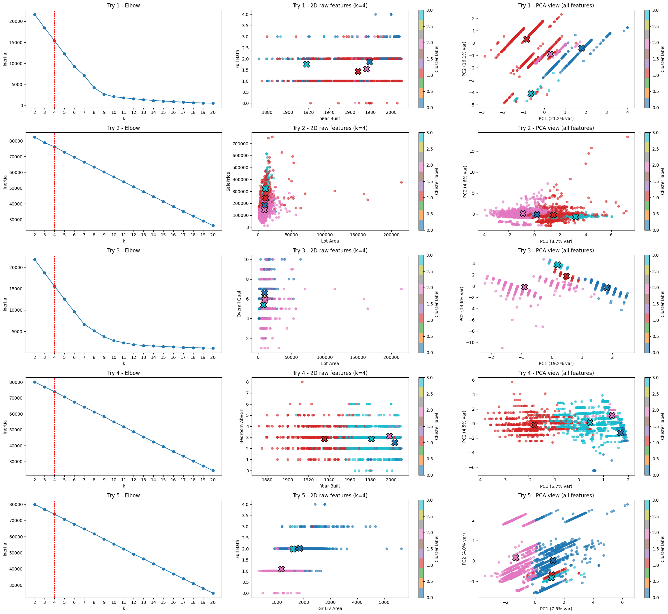
Top 3 Similarity features between houses
Overall Qual (numeriek)
Gr Liv Area (continu)
Neighborhood (categorisch)

Features 1
Year

